Sheet1
Action | Command | Notes

- Clone a repository from Server:
 | git clone <path of git repository on server> | get a copy of an existing Git repository

- Create a develop branch:
 | git branch <branchname> git push -u origin <branchname>
 | or git checkout -b iss53 | create a branch and switch to it at the same time
- Delete a develop branch:
 | git branch -d <branchname> git push -u origin <branchname>
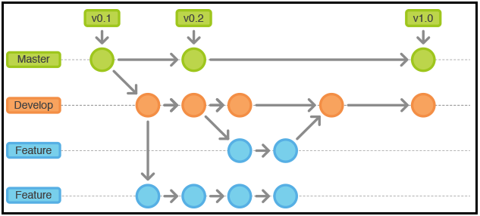
- Check status of local files:
 | git status | determine which files are in which state

- Add new file to branch:
 | git add <filename> | begin tracking a new file

- Unstaging a staged file:
 | git reset HEAD <filename> | remove from git but keep in local

- Unmodifying a Modified File ( Roll back when make mistake while commit):
 | git checkout -- <filename> | discard the changes you’ve made

- Commit to local branch:
 | git commit -m 'some messages' | commit your changes with message
 | git commit -a -m 'added new benchmarks' | Add all file to commit with message

- Update existing commit:
 | git commit -m 'message' git add forgotten_file git commit --amend | if you commit and then realize you forgot to stage the changes in a file you wanted to add to this commit, you can use this code

- Get update from Internet repository:
 | $ git remote add <name> <addressOfRepository> $ git fetch <name> $ git checkout -b <branchname> <name>/<branchname> | adding the remote and checking out that branch locally

- View difference and merge with local file:
 | git diff | see what you’ve changed but not yet staged
 | git diff --cached | see what you’ve staged that will go into your next commit

- Edit conflict:
 | git mergetool | see all the supported tools listed at the top after “merge tool candidates”. Type the name of the tool you’d rather use
 |  | git@github.com:haivuong/kistech.git
- Review history of commit:
 | git log

- Baseline version:

- Switch between branches:
 | git checkout <branchname>

- Merge local branch with another branch:
 | git merge <branch name you want to merge>

- Commit branch to server:
 | git push -u origin <branchname>

